TEDB Edition 40
These data, which apply to domestic Federal fleet vehicles, indicate that sedans have the highest average annual miles per vehicle, followed closely by sport utility vehicles (SUVs).

Figure 8.2. Average Miles per Domestic Federal Vehicle by Vehicle Type, 2021 (Updated June 2022)
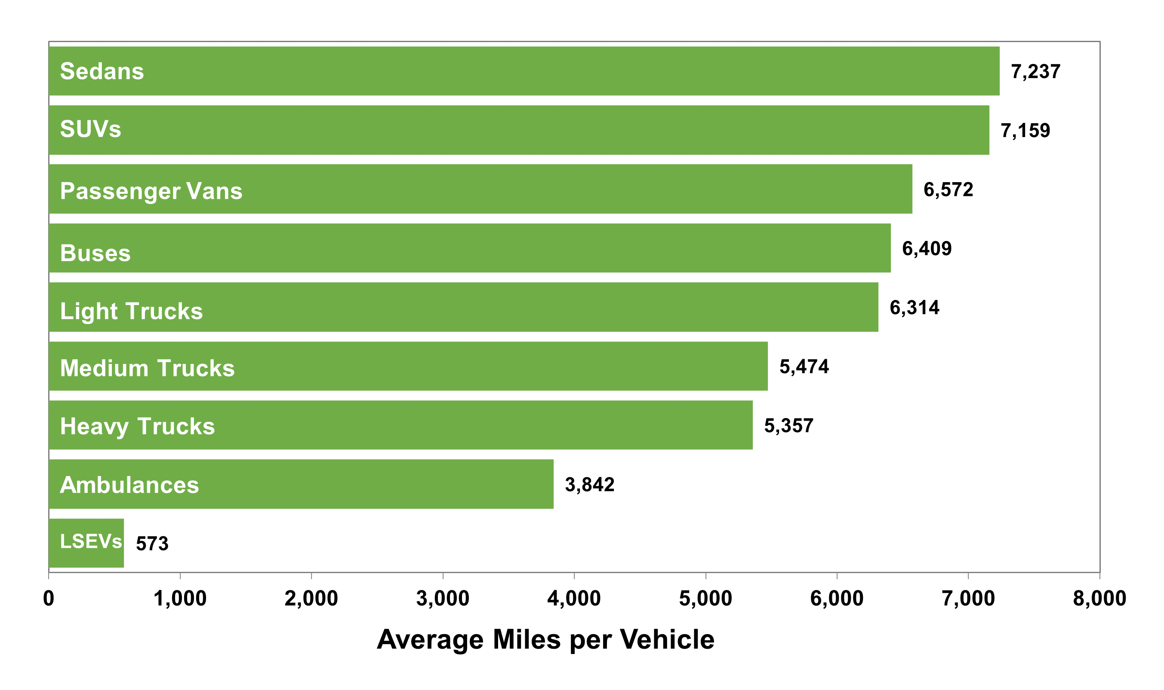

 |  | Average Miles per Vehicle
 | Vehicle | 2021
 | LSEVs | 573
 | Ambulances | 3,842
 | Heavy trucks | 5,357
 | Medium trucks | 5,474
 | Light trucks | 6,314
 | Buses | 6,409
 | Passenger Vans | 6,572
 | SUVs | 7,159
 | Sedans | 7,237

Note: Light trucks = less than 8,500 pounds gross vehicle weight ratio (GVWR).
Medium trucks = 8,501-23,999 pounds GVWR.
Heavy trucks = 24,000 pounds GVWR or more.
LSEVs = low-speed electric vehicles.

Source:
U.S. General Services Administrations, Federal Vehicle Policy Division, FY 2021 Federal Fleet Open Data Set, Washington, DC, 2022, Table 4-2. (Additional resources: www.gsa.gov)

